L'OREAL MAYBELLINE
L'OREAL MAYBELLINE
PHOTOS | EAN | BRANDS | REF | DESCRIPTION | QTY
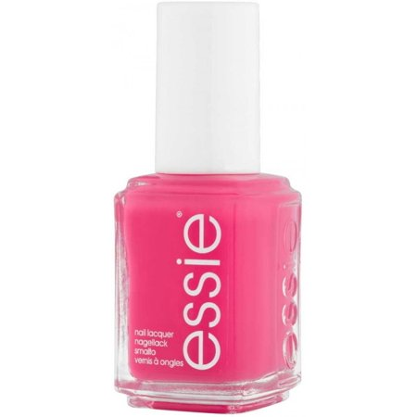 | 30095281 | ESSIE | B1865002 | ESSIE VAO 026 status sym | 30
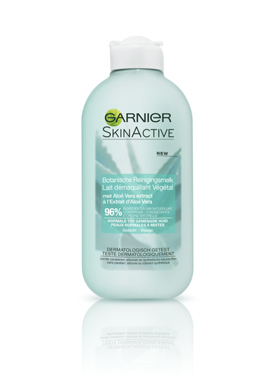 | 3600542387118 | GARNIER | C6483600 | GAR PURE HAND GEL B100 mL 999 FREE | 4,500
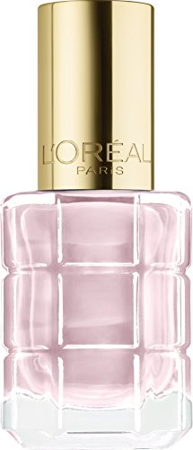 | 30120617 | L'OREAL | A8617601 | OA VAO CR HUILE 114 Nude Demoiselle | 60
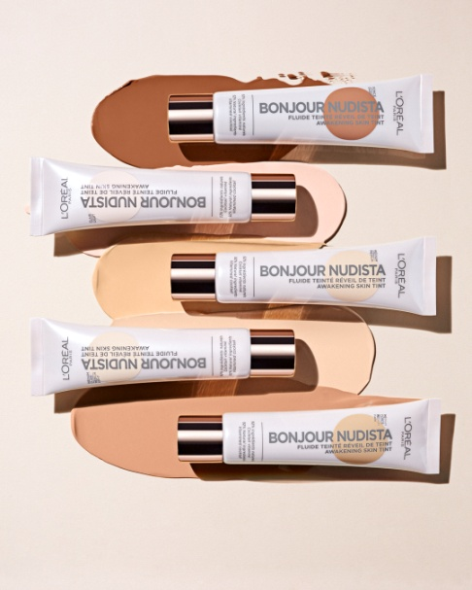 | 3600523560561 | L'OREAL | A9477100 | OA WULT BB 01 LIGHT | 24
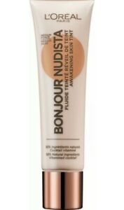 | 3600523560615 | L'OREAL | A9477400 | OA WULT BB 04 MEDIUM DARK | 27
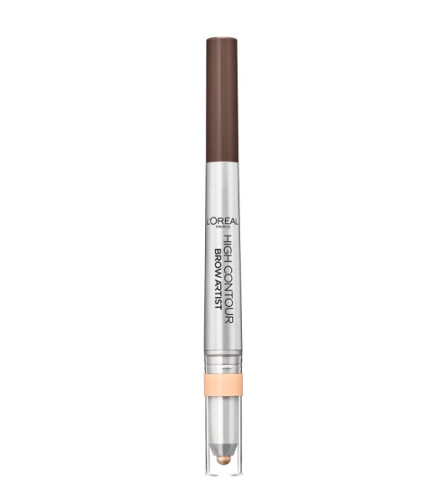 | 3600523601684 | L'OREAL | A9578000 | Brow Art.HighDefiner Nu 108 warm br | 117
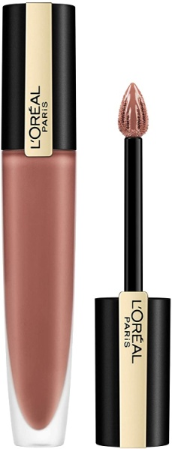 | 3600523689545 | L'OREAL | A9748200 | RAL Rou.Sig.Metall. Nu 201 Stupefy | 8,020
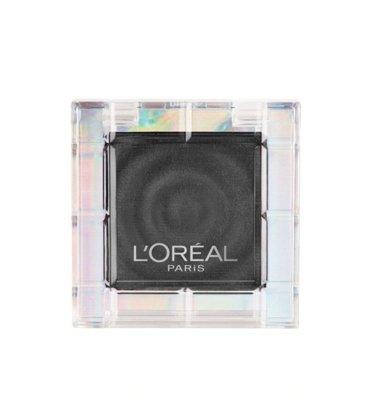 | 30173132 | L'OREAL | A9754000 | FAP Color Queen Nu 15 PERCEVERANCE | 306
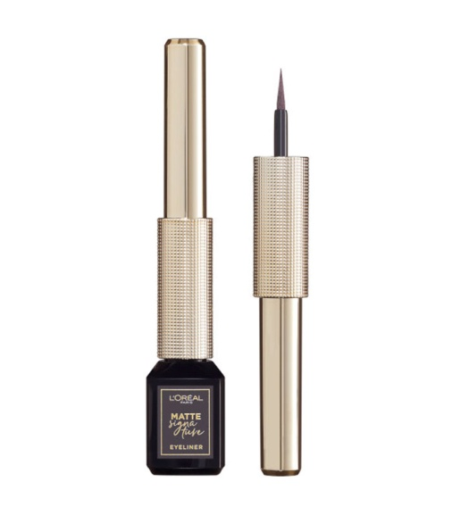 | 30175273 | L'OREAL | A9886501 | LINER SIGNATURE Nu 06 GREIGE | 624
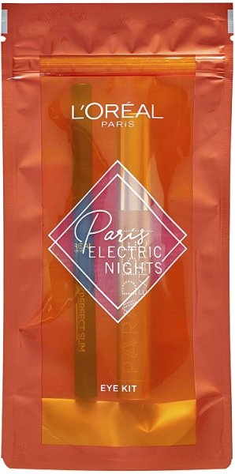 | 3600523760268 | L'OREAL | A9900600 | XMAS EYE SET 00 EYE SET | 456
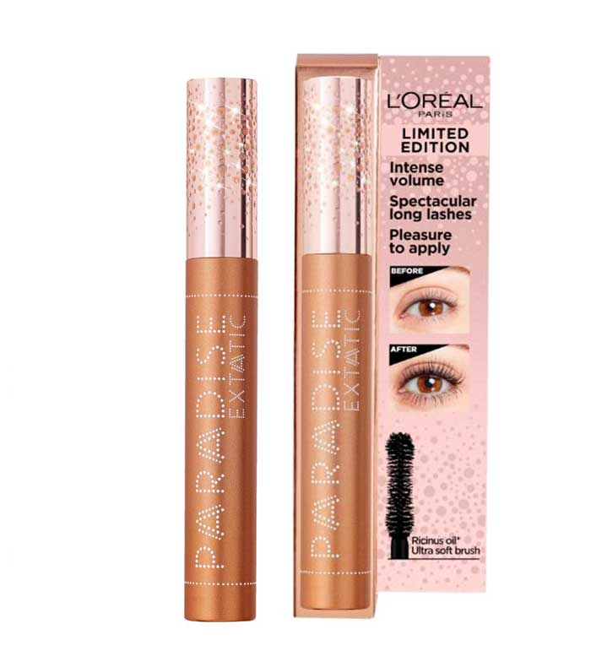 | 3600523760374 | L'OREAL | A9901700 | XMAS MASC.PARADISE Nu 01 BLACK | 948
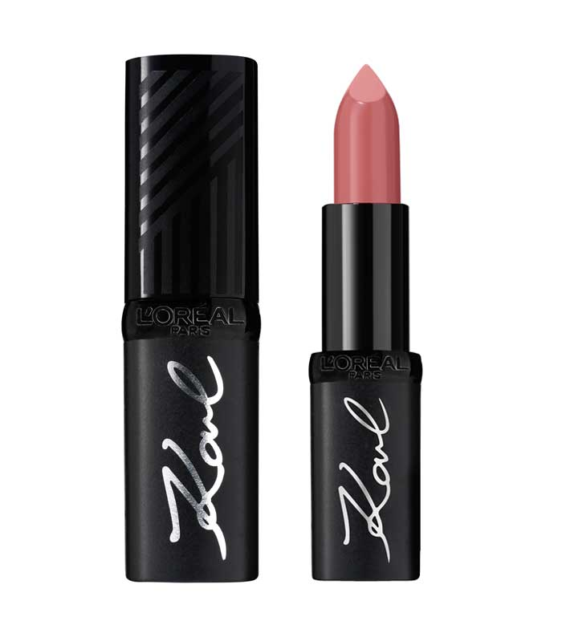 | 3600523823314 | L'OREAL | AA034000 | RAL IKL NU 02 KONTEMPORARY | 116
 | 8411300366307 | L'OREAL | ZES01462 | OA MASC.MILLON PESTAÑ SOCOU BL001*3 | 21
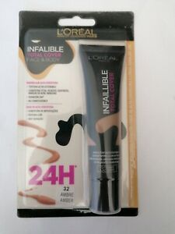 | 8411300604959 | L'OREAL | ZES04648 | BLISTER TOTAL COVER 32 AMB | 72
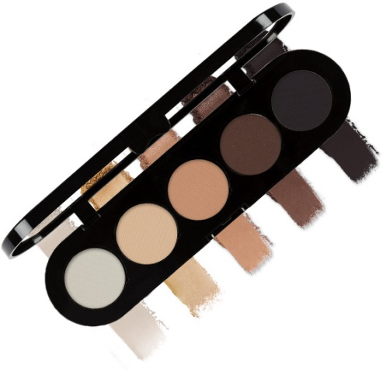 | 8411300764707 | L'OREAL | ZES06120 | BL OAP PALETTE SOMBRAS 01 LE MARAIS | 33
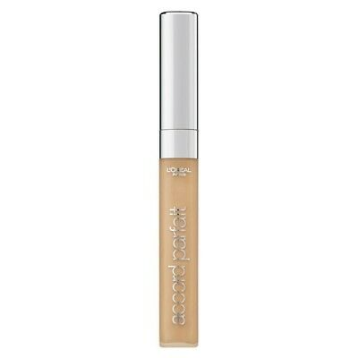 | 8411300721427 | L'OREAL | ZES08545 | BLISTER AP CORRECTOR 6D | 147
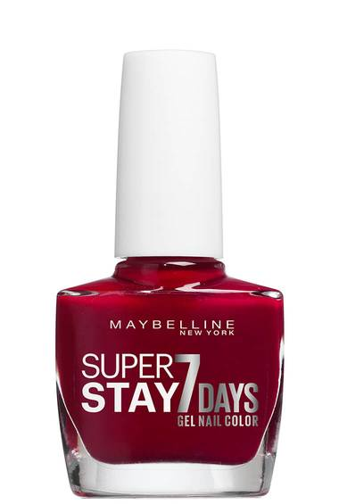 | 3600530359486 | MAYBELLINE | B0917506 | VAO F.STRONG NUall 501 Cherry Sin/R | 11,103
 | 3600530695935 | MAYBELLINE | B1689118 | RAL SSTAY24H LIP RENO etui 585 Burg | 123
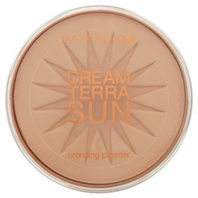 | 3600530070602 | MAYBELLINE | B1997002 | DREAM SUN PWD NU 01 LIGHT BRONZE/SO | 1,992
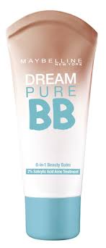 | 3600530878857 | MAYBELLINE | B2187301 | MAYB.DREAM PURE BB NUgb LIGHT | 42
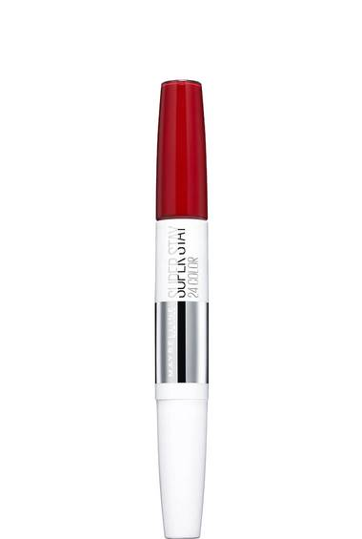 | 3600531123451 | MAYBELLINE | B2597318 | RAL SSTAY24H LIP RENO etui 560 Red | 1,098
 | 30118867 | MAYBELLINE | B2692161 | MYB MASTER INK EYELIN. SATIN | 140
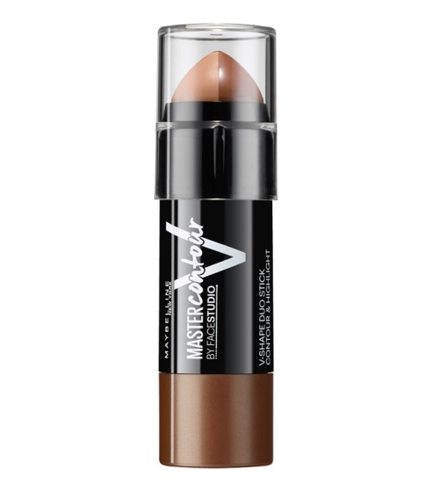 | 3600531319687 | MAYBELLINE | B2722800 | MYB CONTOUR STICK 3 DARK | 161
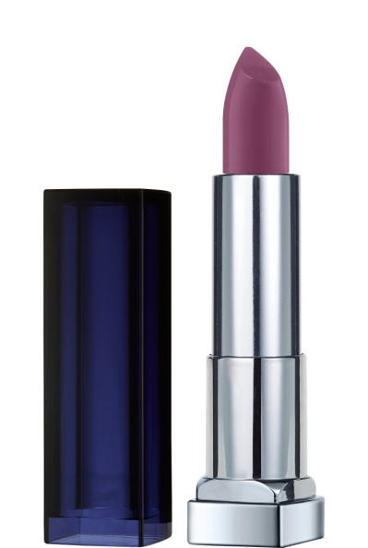 | 3600531352363 | MAYBELLINE | B2825500 | MYB COLOR SENSATIONAL BOLDS 885 | 42
 |  |  | B2825501 |  | 104
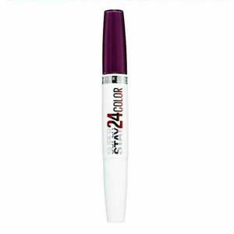 | 3600531365813 | MAYBELLINE | B2866501 | MYB SUPERSTAY 24H LABIOS 363 | 51
 |  |  | B2866518 |  | 9,972
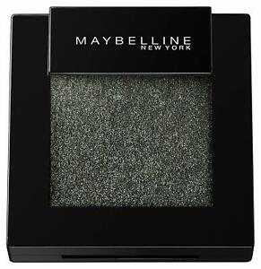 | 30141704 | MAYBELLINE | B2895400 | COLOR SENS.ESHAD.MONO NU 90 Mystic | 27
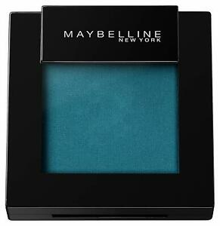 | 30141711 | MAYBELLINE | B2895500 | COLOR SENS.ESHAD.MONO NU 95 Pure Te | 315
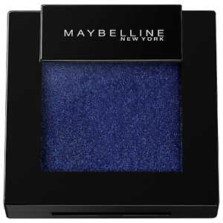 | 30141735 | MAYBELLINE | B2895700 | COLOR SENS.ESHAD.MONO NU 105 Royal | 399
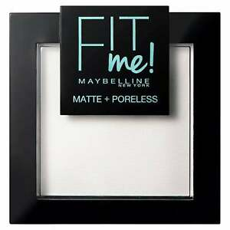 | 3600531384005 | MAYBELLINE | B2924401 | FIT ME MAT&POREL.PWD NU 090 Translu | 1,722
 | 3600531388096 | MAYBELLINE | B2937004 | MYB DREAM SATIN FDT 42 | 57
 | 3600531401863 | MAYBELLINE | B2968101 | FDT SSTAY24H RENO NUgb 005 Light Be | 800
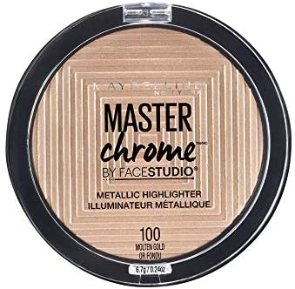 | 3600531422257 | MAYBELLINE | B3008461 | MYB MASTER CHROME 100 MOLTEN GOLD | 4,414
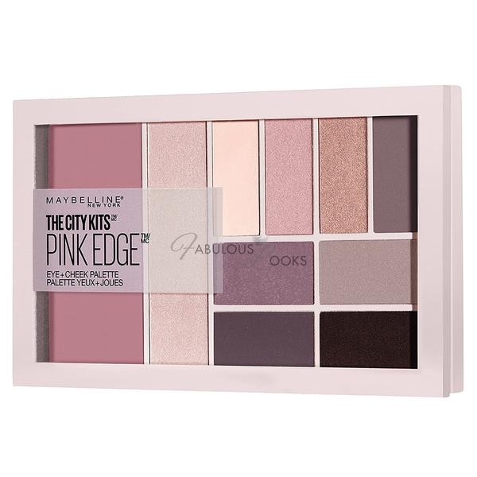 | 3600531434632 | MAYBELLINE | B3024860 | MAYB.EYE SOMBRA PALET CITY KITS 02 | 445
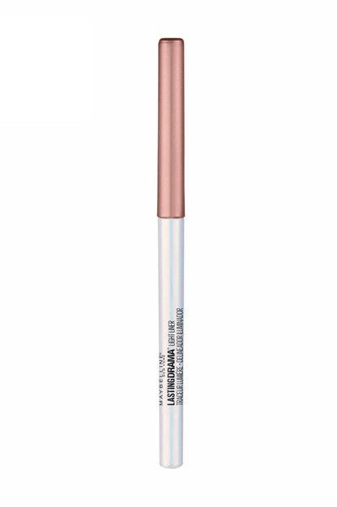 | 3600531443368 | MAYBELLINE | B3032761 | LAST. DRAMA LIGHTLINER NU 5 HIGHLIG | 699
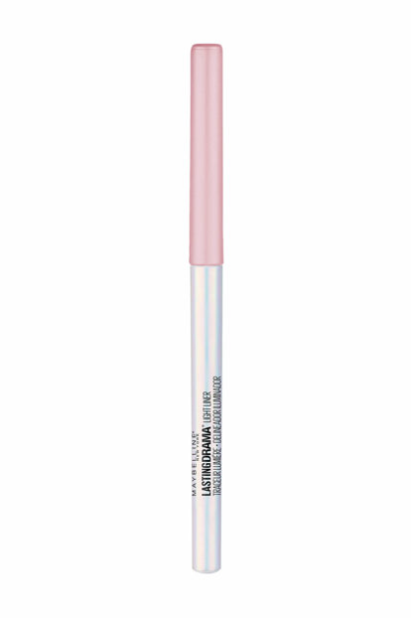 | 3600531443412 | MAYBELLINE | B3033161 | M.DRAMA LIGHTLINER NU 25 GLIMMERLIG | 30
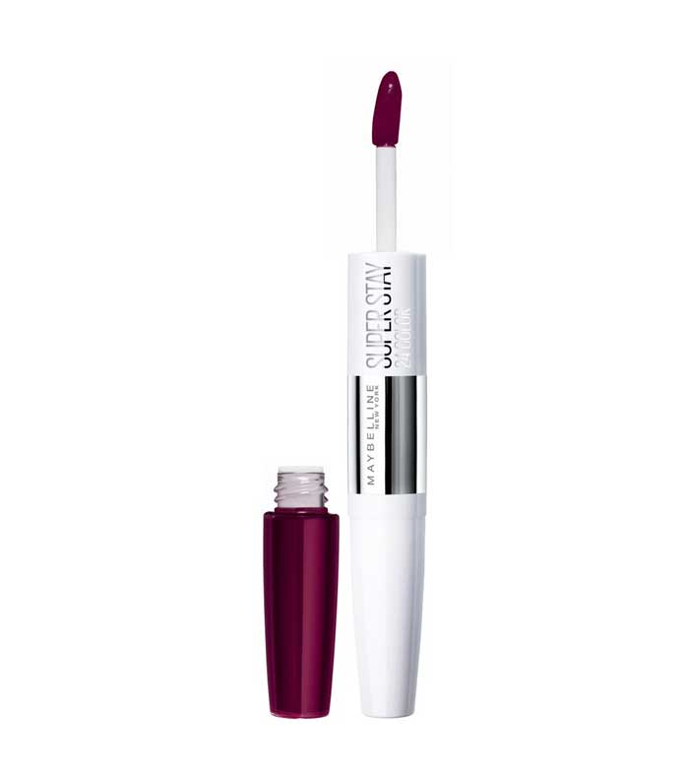 | 3600531457563 | MAYBELLINE | B3044503 | SSTAY24 LIP COLOR NUetui 845 Auberg | 84
 |  |  | B3044504 |  | 1,791
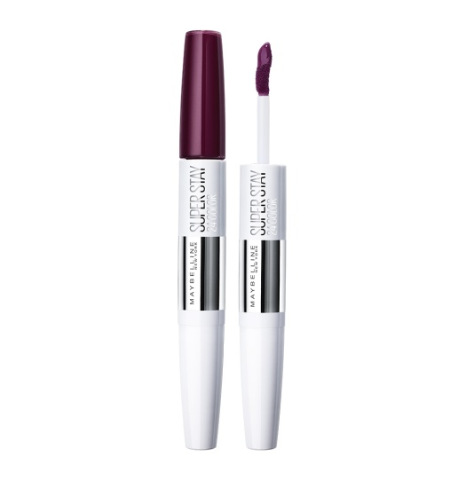 | 3600531457648 | MAYBELLINE | B3045304 | SSTAY24 LIP COLOR NUetui 835 Timele | 7,173
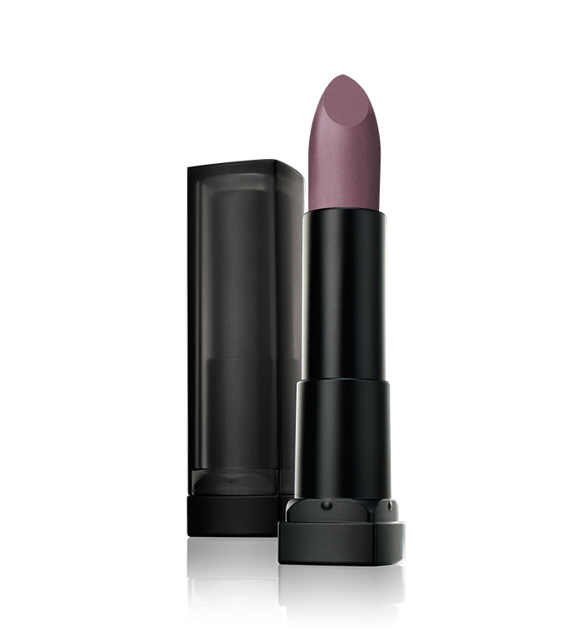 | 3600531464257 | MAYBELLINE | B3057900 | MYB COLOR SENS. POWDERMATTE 25 | 3,892
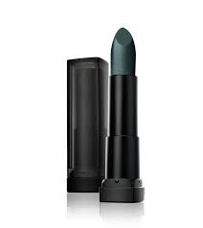 | 3600531464141 | MAYBELLINE | B3058300 | MYB COLOR SENS. POWDERMATTE 45 | 6,168
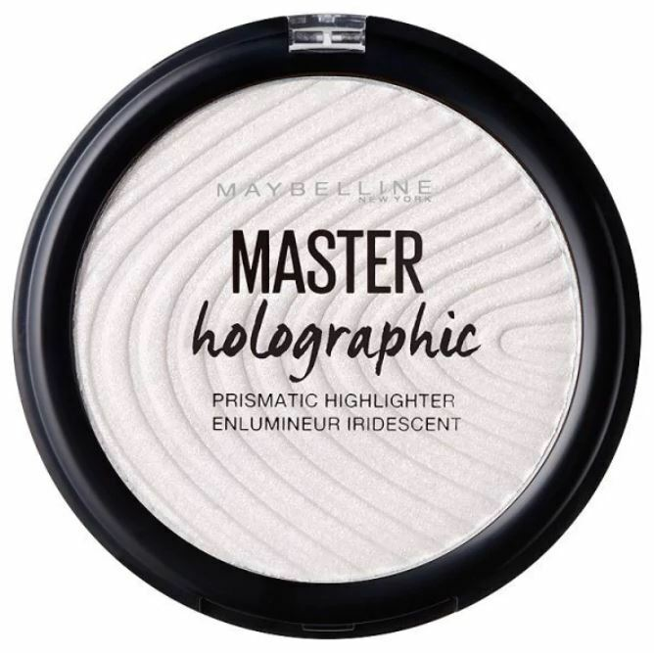 | 3600531469153 | MAYBELLINE | B3065401 | MAST.HOLOGRA.BLU.PWD NU 50 OPAL FLI | 156
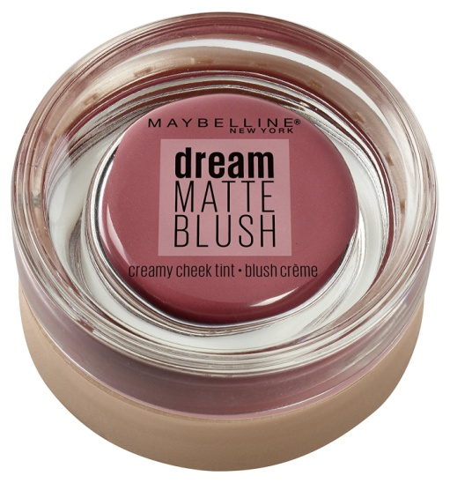 | 3600531484699 | MAYBELLINE | B3079000 | MYB DREAM MATTE BLUSH 10 FLIRTY | 251
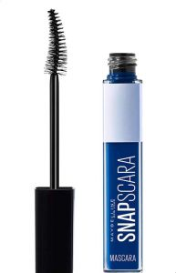 | 30168152 | MAYBELLINE | B3086500 | MAS SNAPSCARA NUinter 004 Deja Blue | 1,635
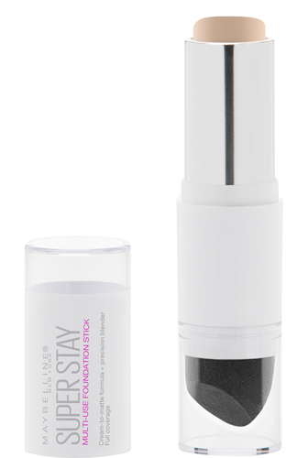 | 30170735 | MAYBELLINE | B3099700 | MYB SUPERSTAY PRO TOOL FDT 010 | 524
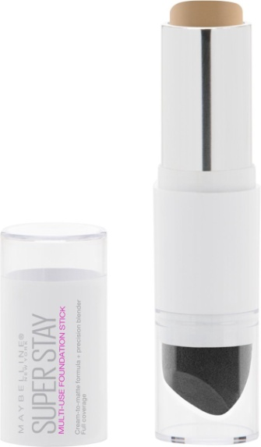 | 30170759 | MAYBELLINE | B3099900 | MYB SUPERSTAY PRO TOOL FDT 030 | 248
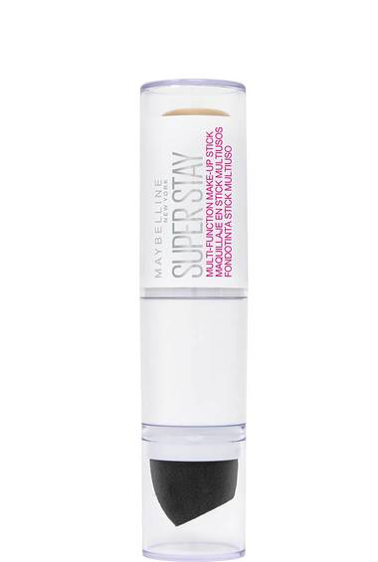 | 30170766 | MAYBELLINE | B3100000 | MYB SUPERSTAY PRO TOOL FDT 033 | 326
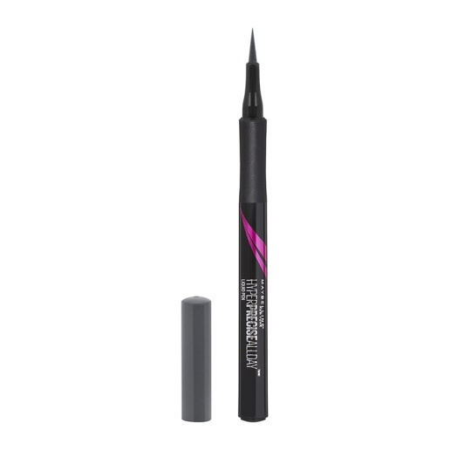 | 3600531502652 | MAYBELLINE | B3113400 | ES.HYP.PR.LIN.ALLDAY NU 740 CHARCOA | 1,041
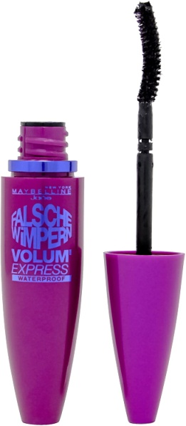 | 3600531507244 | MAYBELLINE | B3122400 | MAS VE FALSIES NEW WTP NU 1 VERY BL | 897
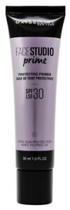 | 3600531516215 | MAYBELLINE | B3139201 | FS PRIME PROTECT NU 60 Protecting P | 1,260
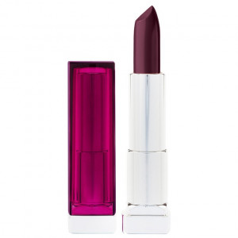 | 3600531553364 | MAYBELLINE | B3216501 | RAL CS Smoked Roses NU 350 Torched | 126
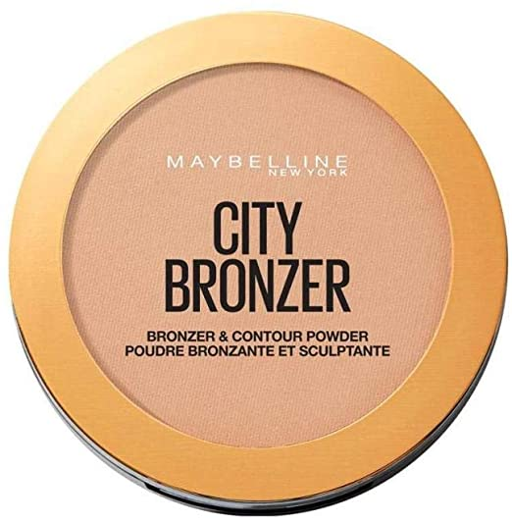 | 3600531557492 | MAYBELLINE | B3225000 | FDT SSTAY24H RENO NUInter 035 Raw | 108
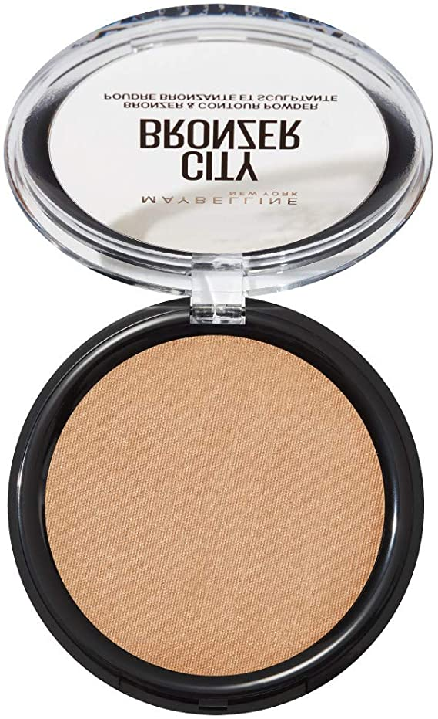 | 3600531557690 | MAYBELLINE | B3227000 | FDT SSTAY24H RENO NUInter 012 Bare | 81
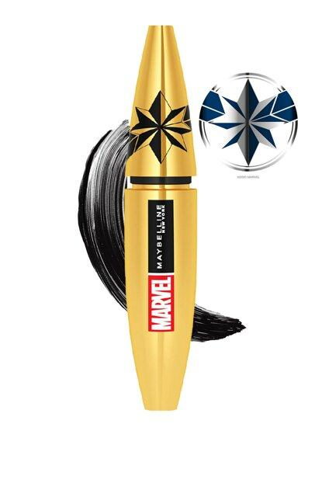 | 30167278 | MAYBELLINE | B3319300 | MASC COLOSSA MARVEL NU WSH 01 BLAC | 267
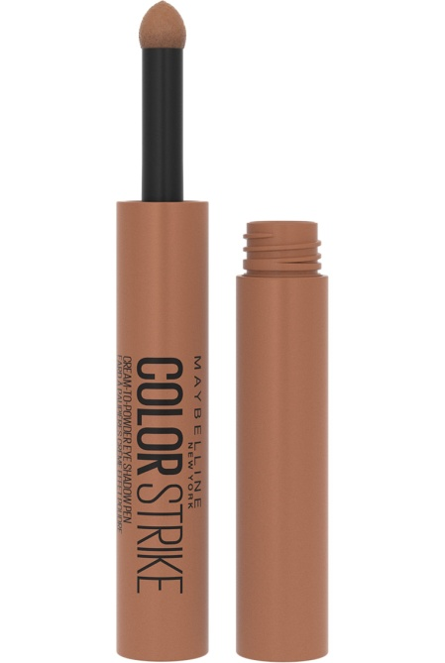 | 3600531621537 | MAYBELLINE | B3325400 | COLOR STRIKE EYESHAD NU 45 CHAS MAT | 624
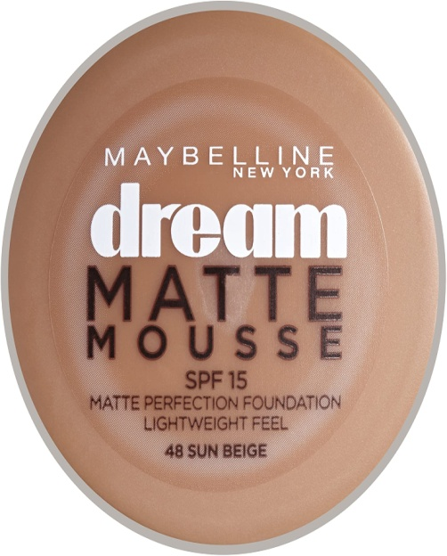 | 8411300106644 | MAYBELLINE | YES01167 | MAYB.DREAM MAT MOUSSE BL 48 E/P*3 | 282
 |  |  | YES03893 |  | 102
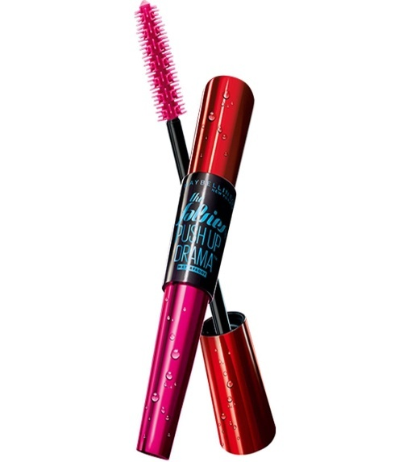 | 8411300468520 | MAYBELLINE | YES01830 | MAS PUSHUP DRAMA NUit/es BL 001 Ver | 180
 | 5601036511079 | MAYBELLINE | YES02931 | MAYB.VAO COL SHOW BL349 Power Red*3 | 108
 | 8411300542817 | MAYBELLINE | YES04021 | BL MNY EYES SNAPSCARA | 66
 | 3600531387914 | MAYBELLINE | B2933600 | MYB SUPERSTAY LIP REMOVER 01 | 4,385
 | 3600531434625 | MAYBELLINE |  | MAY CITY KIT 01 URBAN LIGHT EYESHADOW FR | 11,000
 | 3600531418038 | MAYBELLINE |  | MAY T SSTAY POWDER 010 IVOIRE GERMANY | 4,000
 | 30154285 | MAYBELLINE |  | MAY T CAMOUFL.CONCEALER 10 FAIR GERMANY | 3,500
TOTAL L'OREAL + MAYBELLINE |  |  |  |  | 99,512

